Janus 11pt
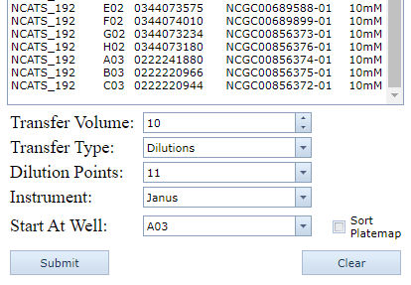
Source | Well | Dest | Well | Volume
NCATS_079 | 1 | 384-1 | 33 | 10
NCATS_079 | 2 | 384-1 | 35 | 10
NCATS_079 | 3 | 384-1 | 37 | 10
NCATS_079 | 4 | 384-1 | 39 | 10
NCATS_079 | 5 | 384-1 | 41 | 10
NCATS_079 | 6 | 384-1 | 43 | 10
NCATS_079 | 7 | 384-1 | 45 | 10
NCATS_079 | 8 | 384-1 | 47 | 10
NCATS_079 | 9 | 384-1 | 34 | 10
NCATS_079 | 10 | 384-1 | 36 | 10
NCATS_079 | 11 | 384-1 | 38 | 10
NCATS_079 | 12 | 384-1 | 40 | 10
NCATS_079 | 13 | 384-1 | 42 | 10
NCATS_079 | 14 | 384-1 | 44 | 10
NCATS_079 | 15 | 384-1 | 46 | 10
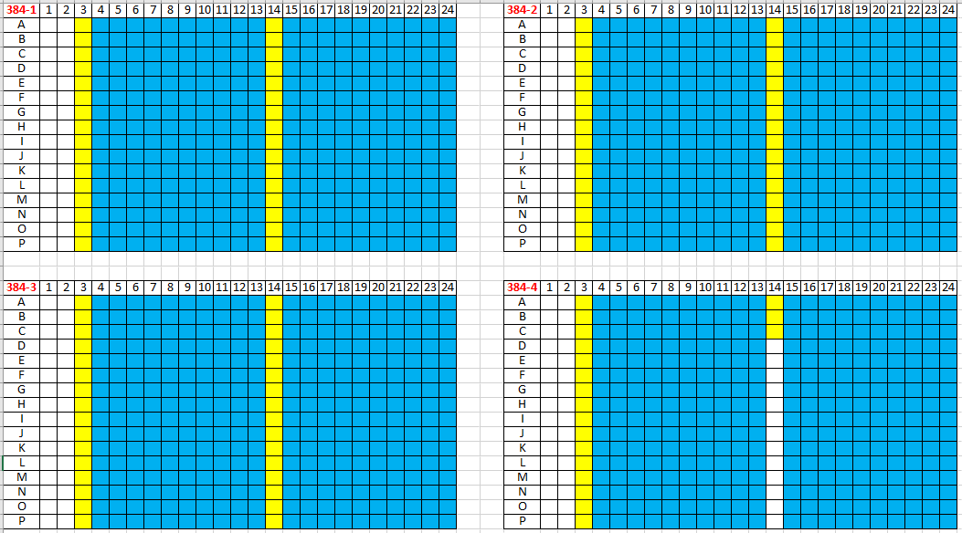
NCATS_079 | 16 | 384-1 | 48 | 10
NCATS_079 | 17 | 384-1 | 209 | 10
NCATS_079 | 18 | 384-1 | 211 | 10
NCATS_079 | 19 | 384-1 | 213 | 10
NCATS_079 | 20 | 384-1 | 215 | 10
NCATS_079 | 21 | 384-1 | 217 | 10
NCATS_079 | 22 | 384-1 | 219 | 10
NCATS_079 | 23 | 384-1 | 221 | 10
NCATS_079 | 24 | 384-1 | 223 | 10
NCATS_079 | 25 | 384-1 | 210 | 10
NCATS_079 | 26 | 384-1 | 212 | 10
NCATS_079 | 27 | 384-1 | 214 | 10
NCATS_079 | 28 | 384-1 | 216 | 10
NCATS_079 | 29 | 384-1 | 218 | 10
NCATS_079 | 30 | 384-1 | 220 | 10
NCATS_079 | 31 | 384-1 | 222 | 10
NCATS_079 | 32 | 384-1 | 224 | 10
NCATS_079 | 33 | 384-2 | 33 | 10
NCATS_079 | 34 | 384-2 | 35 | 10
NCATS_079 | 35 | 384-2 | 37 | 10
NCATS_079 | 36 | 384-2 | 39 | 10
NCATS_079 | 37 | 384-2 | 41 | 10
NCATS_079 | 38 | 384-2 | 43 | 10
NCATS_079 | 39 | 384-2 | 45 | 10
NCATS_079 | 40 | 384-2 | 47 | 10
NCATS_079 | 41 | 384-2 | 34 | 10
NCATS_079 | 42 | 384-2 | 36 | 10
NCATS_079 | 43 | 384-2 | 38 | 10
NCATS_079 | 44 | 384-2 | 40 | 10
NCATS_079 | 45 | 384-2 | 42 | 10
NCATS_079 | 46 | 384-2 | 44 | 10
NCATS_079 | 47 | 384-2 | 46 | 10
NCATS_079 | 48 | 384-2 | 48 | 10
NCATS_079 | 49 | 384-2 | 209 | 10
NCATS_079 | 50 | 384-2 | 211 | 10
NCATS_079 | 51 | 384-2 | 213 | 10
NCATS_079 | 52 | 384-2 | 215 | 10
NCATS_079 | 53 | 384-2 | 217 | 10
NCATS_079 | 54 | 384-2 | 219 | 10
NCATS_079 | 55 | 384-2 | 221 | 10
NCATS_079 | 56 | 384-2 | 223 | 10
NCATS_079 | 57 | 384-2 | 210 | 10
NCATS_079 | 58 | 384-2 | 212 | 10
NCATS_079 | 59 | 384-2 | 214 | 10
NCATS_079 | 60 | 384-2 | 216 | 10
NCATS_079 | 61 | 384-2 | 218 | 10
NCATS_079 | 62 | 384-2 | 220 | 10
NCATS_079 | 63 | 384-2 | 222 | 10
NCATS_079 | 64 | 384-2 | 224 | 10
NCATS_079 | 65 | 384-3 | 33 | 10
NCATS_079 | 66 | 384-3 | 35 | 10
NCATS_079 | 67 | 384-3 | 37 | 10
NCATS_079 | 68 | 384-3 | 39 | 10
NCATS_079 | 69 | 384-3 | 41 | 10
NCATS_079 | 70 | 384-3 | 43 | 10
NCATS_079 | 71 | 384-3 | 45 | 10
NCATS_079 | 72 | 384-3 | 47 | 10
NCATS_079 | 73 | 384-3 | 34 | 10
NCATS_079 | 74 | 384-3 | 36 | 10
NCATS_079 | 75 | 384-3 | 38 | 10
NCATS_079 | 76 | 384-3 | 40 | 10
NCATS_079 | 77 | 384-3 | 42 | 10
NCATS_079 | 78 | 384-3 | 44 | 10
NCATS_079 | 79 | 384-3 | 46 | 10
NCATS_079 | 80 | 384-3 | 48 | 10
NCATS_079 | 81 | 384-3 | 209 | 10
NCATS_079 | 82 | 384-3 | 211 | 10
NCATS_079 | 83 | 384-3 | 213 | 10
NCATS_079 | 84 | 384-3 | 215 | 10
NCATS_079 | 85 | 384-3 | 217 | 10
NCATS_079 | 86 | 384-3 | 219 | 10
NCATS_079 | 87 | 384-3 | 221 | 10
NCATS_079 | 88 | 384-3 | 223 | 10
NCATS_079 | 89 | 384-3 | 210 | 10
NCATS_079 | 90 | 384-3 | 212 | 10
NCATS_079 | 91 | 384-3 | 214 | 10
NCATS_079 | 92 | 384-3 | 216 | 10
NCATS_079 | 93 | 384-3 | 218 | 10
NCATS_079 | 94 | 384-3 | 220 | 10
NCATS_079 | 95 | 384-3 | 222 | 10
NCATS_079 | 96 | 384-3 | 224 | 10
NCATS_192 | 1 | 384-4 | 33 | 10
NCATS_192 | 2 | 384-4 | 35 | 10
NCATS_192 | 3 | 384-4 | 37 | 10
NCATS_192 | 4 | 384-4 | 39 | 10
NCATS_192 | 5 | 384-4 | 41 | 10
NCATS_192 | 6 | 384-4 | 43 | 10
NCATS_192 | 7 | 384-4 | 45 | 10
NCATS_192 | 8 | 384-4 | 47 | 10
NCATS_192 | 9 | 384-4 | 34 | 10
NCATS_192 | 10 | 384-4 | 36 | 10
NCATS_192 | 11 | 384-4 | 38 | 10
NCATS_192 | 12 | 384-4 | 40 | 10
NCATS_192 | 13 | 384-4 | 42 | 10
NCATS_192 | 14 | 384-4 | 44 | 10
NCATS_192 | 15 | 384-4 | 46 | 10
NCATS_192 | 16 | 384-4 | 48 | 10
NCATS_192 | 17 | 384-4 | 209 | 10
NCATS_192 | 18 | 384-4 | 210 | 10
NCATS_192 | 19 | 384-4 | 211 | 10

Janus 7pt
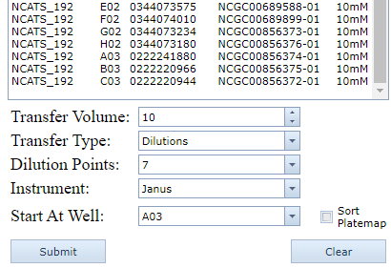
Source | Well | Dest | Well | Volume
NCATS_079 | 1 | 384-1 | 33 | 10
NCATS_079 | 2 | 384-1 | 35 | 10
NCATS_079 | 3 | 384-1 | 37 | 10
NCATS_079 | 4 | 384-1 | 39 | 10
NCATS_079 | 5 | 384-1 | 41 | 10
NCATS_079 | 6 | 384-1 | 43 | 10
NCATS_079 | 7 | 384-1 | 45 | 10
NCATS_079 | 8 | 384-1 | 47 | 10
NCATS_079 | 9 | 384-1 | 34 | 10
NCATS_079 | 10 | 384-1 | 36 | 10
NCATS_079 | 11 | 384-1 | 38 | 10
NCATS_079 | 12 | 384-1 | 40 | 10
NCATS_079 | 13 | 384-1 | 42 | 10
NCATS_079 | 14 | 384-1 | 44 | 10
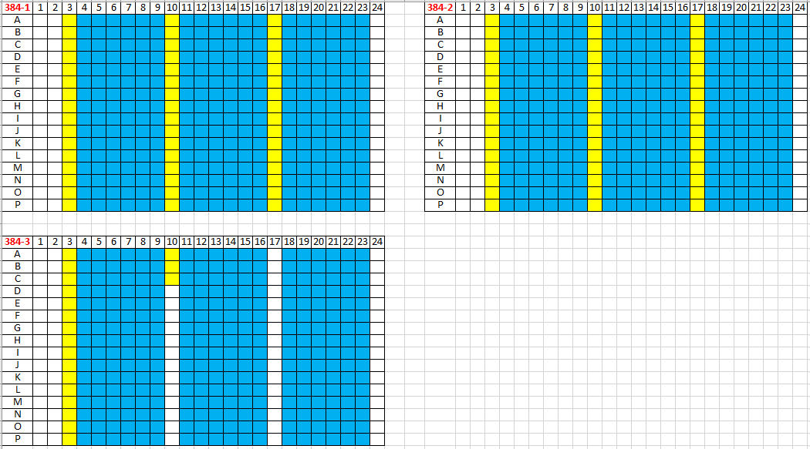
NCATS_079 | 15 | 384-1 | 46 | 10
NCATS_079 | 16 | 384-1 | 48 | 10
NCATS_079 | 17 | 384-1 | 145 | 10
NCATS_079 | 18 | 384-1 | 147 | 10
NCATS_079 | 19 | 384-1 | 149 | 10
NCATS_079 | 20 | 384-1 | 151 | 10
NCATS_079 | 21 | 384-1 | 153 | 10
NCATS_079 | 22 | 384-1 | 155 | 10
NCATS_079 | 23 | 384-1 | 157 | 10
NCATS_079 | 24 | 384-1 | 159 | 10
NCATS_079 | 25 | 384-1 | 146 | 10
NCATS_079 | 26 | 384-1 | 148 | 10
NCATS_079 | 27 | 384-1 | 150 | 10
NCATS_079 | 28 | 384-1 | 152 | 10
NCATS_079 | 29 | 384-1 | 154 | 10
NCATS_079 | 30 | 384-1 | 156 | 10
NCATS_079 | 31 | 384-1 | 158 | 10
NCATS_079 | 32 | 384-1 | 160 | 10
NCATS_079 | 33 | 384-1 | 257 | 10
NCATS_079 | 34 | 384-1 | 259 | 10
NCATS_079 | 35 | 384-1 | 261 | 10
NCATS_079 | 36 | 384-1 | 263 | 10
NCATS_079 | 37 | 384-1 | 265 | 10
NCATS_079 | 38 | 384-1 | 267 | 10
NCATS_079 | 39 | 384-1 | 269 | 10
NCATS_079 | 40 | 384-1 | 271 | 10
NCATS_079 | 41 | 384-1 | 258 | 10
NCATS_079 | 42 | 384-1 | 260 | 10
NCATS_079 | 43 | 384-1 | 262 | 10
NCATS_079 | 44 | 384-1 | 264 | 10
NCATS_079 | 45 | 384-1 | 266 | 10
NCATS_079 | 46 | 384-1 | 268 | 10
NCATS_079 | 47 | 384-1 | 270 | 10
NCATS_079 | 48 | 384-1 | 272 | 10
NCATS_079 | 49 | 384-2 | 33 | 10
NCATS_079 | 50 | 384-2 | 35 | 10
NCATS_079 | 51 | 384-2 | 37 | 10
NCATS_079 | 52 | 384-2 | 39 | 10
NCATS_079 | 53 | 384-2 | 41 | 10
NCATS_079 | 54 | 384-2 | 43 | 10
NCATS_079 | 55 | 384-2 | 45 | 10
NCATS_079 | 56 | 384-2 | 47 | 10
NCATS_079 | 57 | 384-2 | 34 | 10
NCATS_079 | 58 | 384-2 | 36 | 10
NCATS_079 | 59 | 384-2 | 38 | 10
NCATS_079 | 60 | 384-2 | 40 | 10
NCATS_079 | 61 | 384-2 | 42 | 10
NCATS_079 | 62 | 384-2 | 44 | 10
NCATS_079 | 63 | 384-2 | 46 | 10
NCATS_079 | 64 | 384-2 | 48 | 10
NCATS_079 | 65 | 384-2 | 145 | 10
NCATS_079 | 66 | 384-2 | 147 | 10
NCATS_079 | 67 | 384-2 | 149 | 10
NCATS_079 | 68 | 384-2 | 151 | 10
NCATS_079 | 69 | 384-2 | 153 | 10
NCATS_079 | 70 | 384-2 | 155 | 10
NCATS_079 | 71 | 384-2 | 157 | 10
NCATS_079 | 72 | 384-2 | 159 | 10
NCATS_079 | 73 | 384-2 | 146 | 10
NCATS_079 | 74 | 384-2 | 148 | 10
NCATS_079 | 75 | 384-2 | 150 | 10
NCATS_079 | 76 | 384-2 | 152 | 10
NCATS_079 | 77 | 384-2 | 154 | 10
NCATS_079 | 78 | 384-2 | 156 | 10
NCATS_079 | 79 | 384-2 | 158 | 10
NCATS_079 | 80 | 384-2 | 160 | 10
NCATS_079 | 81 | 384-2 | 257 | 10
NCATS_079 | 82 | 384-2 | 259 | 10
NCATS_079 | 83 | 384-2 | 261 | 10
NCATS_079 | 84 | 384-2 | 263 | 10
NCATS_079 | 85 | 384-2 | 265 | 10
NCATS_079 | 86 | 384-2 | 267 | 10
NCATS_079 | 87 | 384-2 | 269 | 10
NCATS_079 | 88 | 384-2 | 271 | 10
NCATS_079 | 89 | 384-2 | 258 | 10
NCATS_079 | 90 | 384-2 | 260 | 10
NCATS_079 | 91 | 384-2 | 262 | 10
NCATS_079 | 92 | 384-2 | 264 | 10
NCATS_079 | 93 | 384-2 | 266 | 10
NCATS_079 | 94 | 384-2 | 268 | 10
NCATS_079 | 95 | 384-2 | 270 | 10
NCATS_079 | 96 | 384-2 | 272 | 10
NCATS_192 | 1 | 384-3 | 33 | 10
NCATS_192 | 2 | 384-3 | 35 | 10
NCATS_192 | 3 | 384-3 | 37 | 10
NCATS_192 | 4 | 384-3 | 39 | 10
NCATS_192 | 5 | 384-3 | 41 | 10
NCATS_192 | 6 | 384-3 | 43 | 10
NCATS_192 | 7 | 384-3 | 45 | 10
NCATS_192 | 8 | 384-3 | 47 | 10
NCATS_192 | 9 | 384-3 | 34 | 10
NCATS_192 | 10 | 384-3 | 36 | 10
NCATS_192 | 11 | 384-3 | 38 | 10
NCATS_192 | 12 | 384-3 | 40 | 10
NCATS_192 | 13 | 384-3 | 42 | 10
NCATS_192 | 14 | 384-3 | 44 | 10
NCATS_192 | 15 | 384-3 | 46 | 10
NCATS_192 | 16 | 384-3 | 48 | 10
NCATS_192 | 17 | 384-3 | 145 | 10
NCATS_192 | 18 | 384-3 | 146 | 10
NCATS_192 | 19 | 384-3 | 147 | 10

